Description
Control Route Suitability

Authors:

Baseliyos Jacob, Stéphane Besure, Yoann Guyot

Reviewers:

Reviewers of this document

Date and version:

24/10/2013 - v1 - creation
30/10/2013 - v2 - updated with requirements and variables
04/11/2013 - v3 - fixed author names
06/11/2013 - v4 - refactored modelisation to make functional view more centered on Control Route Suitability and kernel functions. Removed useless or internal variables. Added packets requirements and subset 23 definitions. Fixed previously stated issues.
08/11/2013 – v5 – version for review
18/11/2013 – v6 – Transposition in the new template
20/11/2013 - v7 - Updated functions, requirements and variables regarding the SysML model
21/11/2013 - v8 - Uniformized functions, requirements and variables with the description sheet.

Files to complete this analysis

Subset 26 §3.12.2, $ A.3.4.1.3, §4.5.2, $4.10, $6.5.1.5.2, §7.4.2.21, §7.4.3.5, $8.4.2, $8.4.3
Subset 23

General description
At operational level, there are 3 options for an infrastructure owner to avoid the entry of a train with characteristics not compatible with a given infrastructure :
* Procedures (time tables are predefined for a list of authorised trains)
* Check of the validated train data sent by ETCS onboard equipment (only valid for L2 and L3 applications)
*Sending of route suitability data to ETCS onboard equipment that define which values concerning loading gauge, traction system and axle load category a train must meet to be allowed to enter the route

The implementation of the « control route suitability » function in an interoperable kernel permits to deal with route suitability data when required by a given infrastructure.

This function manages 3 cases of route unsuitabilities:
* loading gauge profile of the train not compatible with the line gauge authorised by infrastructure,
* traction system of the train not compatible with the country traction system
* the train axle load category is higher than the maximum authorised by infrastructure

Function description
1) Context
At implementation level, the interactions of the « control route suitability » function with the other macro functions of ETCS kernel are represented in the Internal Block Diagram shown below.

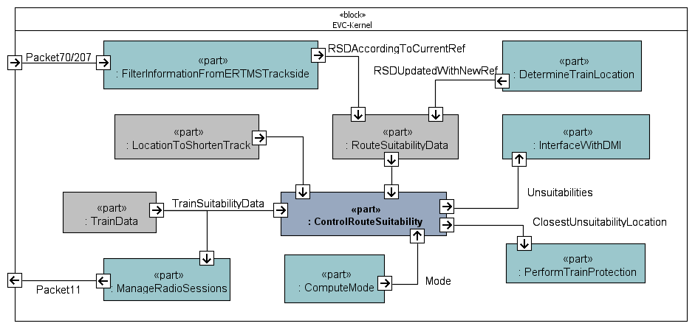

More precisely, regarding the inputs :
* Train data is generated by « capture train data for mission » with a data subset dedicated to train suitability data. These train data are also sent to « Manage radio sessions » interfaced with GSM-R for the cases where route suitability supervision is performed by the trackside.
* « Compute mode » provides the active mode of ETCS onboard equipment. Control route suitability function is only active in FS, OS and LS mode.
* « Filter information from ERTMS trackside » provides route suitability data to the kernel. A check of M_VERSION is performed on balise telegram or radio message to select packet 70 or 207.
* Location to shorten track information represents a location where MA, track description and linking information must be deleted (see 026-A3.4 Handling of Accepted and Stored Information in specific Situations).

The route suitability data refers initially to a balise group reference NID_LRBG for the start location of the route suitability information. This trackside reference is converted into a unique onboard reference REF corresponding to the last valid balise group crossed by ETCS onboard equipment. The function « determine train location » relocates the train on the balise group but also relocates all trackside profile data on the new reference REF taking into account the linking information between the balise groups.

With this principle, « control route suitability » and « perform train protection » work in the same referential, train and targets are located in reference to REF.

More precisely, regarding the outputs :
* « Interface with DMI » sends unsuitability information to DMI, if any.
* « Perform train protection » supervises the new EOA provided by the closest unsuitability, if any.

2) Behavior (traceability to UNISIG between brackets)
* Initially, there is no route suitability restriction [3.12.2.10]
* When the function receives new route suitability data [3.12.2.2], the new identified route unsuitability information of any type (loading gauge or traction system or axle load) shall replace all stored route unsuitability information of the same type.
* The function shall delete the stored route suitability data from a given location, if required by another function (location to shorten track information [A3.4])
* The function shall delete the stored route suitability data when it detects a change of mode according to the conditions defined in [4.10].
* The function shall check route suitability data in FS, LS and OS mode [4.5.2]
* The function shall check if the train is suitable with respect to the received route suitability data as follows [3.12.2.3] :
a. there is a route unsuitability if the loading gauge of the train M_LOADINGGAUGE is not in the list of loading gauges supported by the track (M_LINEGAUGE).
b. there is a route unsuitability if the axle load category of the train is above the permitted one received from trackside, (M_AXLELOADCAT).
c. there is a route unsuitability if the list of traction systems supported by the train does not include the traction system supported by the track (M_VOLTAGE and NID_CTRACTION)
* In case of unsuitability [3.12.2.4]:
a. The driver shall be informed by a text message (one per type of unsuitability) about all new route unsuitabilities (corresponding to the current train data) at their reception. This displayed information shall be re-evaluated at each reception of new route unsuitability information.
b. The location where the closest route unsuitability begins shall be identified (closest unsuitability location) as EOA/SVL to allow train supervision functions to avoid the entry of the train in the unsuitable area.

Variables
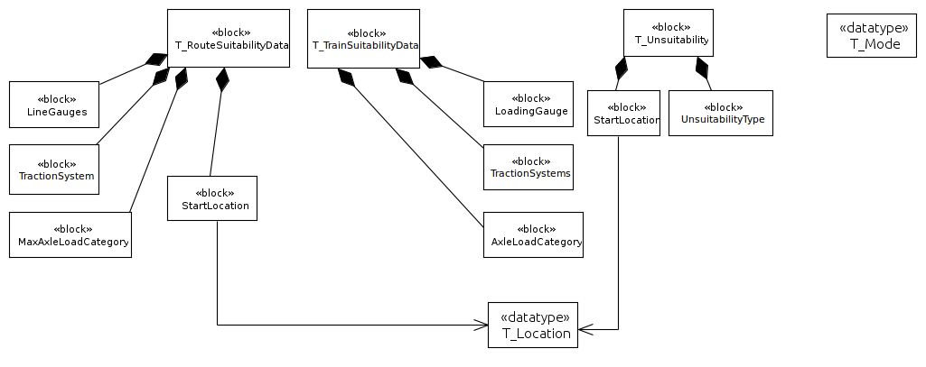
Name | Source | Definition | Store | Constant | Nature | Minimal_Value | Maximal_Value | Special_ | Resolution | Requirement | Safety
 |  |  |  |  |  |  |  | Value
T_Text | T_SourceDocument | T_Definition | T_Variable | Boolean | T_System | T_Text | T_Text | T_Text | T_text | T_Requirement | Boolean
 |  |  | (optional) |  |  | (optional) | (optional) | (optional) | (optional)
Mode |  | Mode |  |  | T_Mode |  |  |  |  | SA-5, SA-6
RouteSuitabilityData | Subset-23, Subset-26-3 | Data transmitted to the ERTMS/ETCS on-board equipment to allow it to check its ability to run on the track as indicated by the movement authority. It includes data related to loading gauge, traction system and axle load category. |  |  | T_RouteSuitabilityData |  |  |  |  | SRS-3.12.2.1,
TrainSuitabilityData | Subset-23, Subset-26-3 | Subset of TrainData which gives information about the train suitability (gauge, axle load category, traction system). |  |  | T_TrainSuitabilityData |  |  |  |  | SA-7, SA-8, SA-9, SA-10
Unsuitabilities | Subset-26-3 | List of route suitabilities where incompatibilities occur for this train. |  |  | List of T_Unsuitability |  |  |  |  | SA-7, SA-8, SA-9, SA-10, SA-11, SA-12, SA-13
ClosestUnsuitabilityLocation | Subset-26-3 | The closest unsuitability location (from the train location). |  |  | T_Location |  |  |  |  | SA-13
LocationToShortenTrack | Subset-26-3 | Location to shorten track information represents a location where MA, track description and linking information must be deleted (see 026-A3.4 Handling of Accepted and Stored Information in specific Situations) |  |  | T_Location |  |  |  |  | SA-4
EndOfAuthority | Subset-23, Subset-26-3 | Location to which the train is permitted to proceed and where target speed = zero. |  |  | T_Location |  |  |  |  | SA-13
SupervisedLocation | Subset-26-3 | Supervised location |  |  | T_Location |  |  |  |  | SA-13
ReleaseSpeed | Subset-23, Subset-26-3 | A speed value to allow a train to approach the end of its movement authority. Needed for intermittent transmission to enable the train to approach a signal that has cleared in order to reach the information point at the signal. |  |  | T_Speed |  |  |  |  | SA-13
Packet 70 | Subset-26-7 | The packet gives the characteristics needed to enter a route. |  |  | T_Packet
Packet 207 | Subset-26-7 | The packet gives the characteristics needed to enter a route. |  |  | T_Packet
Packet 11 | Subset-26-7 | Validated train data. |  |  | T_Packet

The inputs and outputs data types of the « control route suitability » function are summarised in the SysML diagram below :

